Hoja1
FECHA
NV
NOMBRE
DIRECCION
RUT
CONDICIONES
DESC
CIUDAD
ENTREGA
TRANSPORTE
NOTA
 |  |  |  |  |  |  | 19 8 025
CATALOGO DE NATGEO KIDS INV 2025 |  |  | COLORIDO |  | PRECIO | STOCK | COMPRA

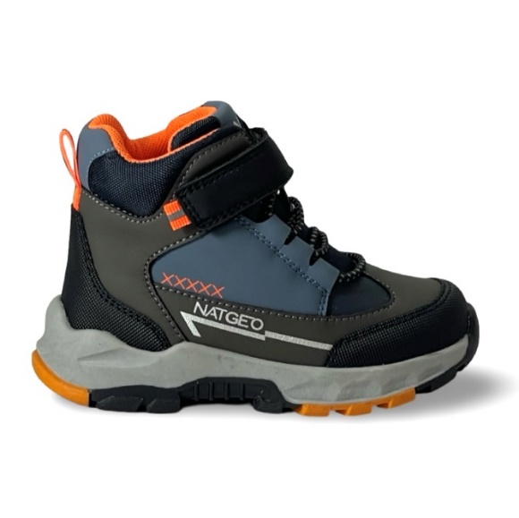

 | SKU: 140945 |  | GREY/NAVY | CUERO | $16,990 | 390

 |  | 25-30: 2 2 2 3 3 3 = 15 prs

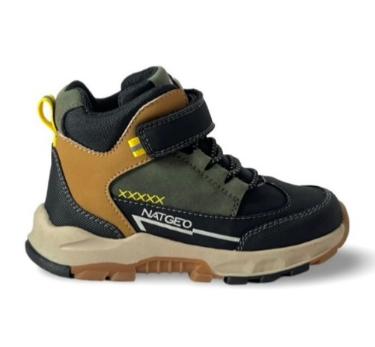

 | SKU: 140945 |  | BLACK/GREEN | CUERO | $16,990 | 300

 |  | 25-30: 2 2 2 3 3 3 = 15 prs

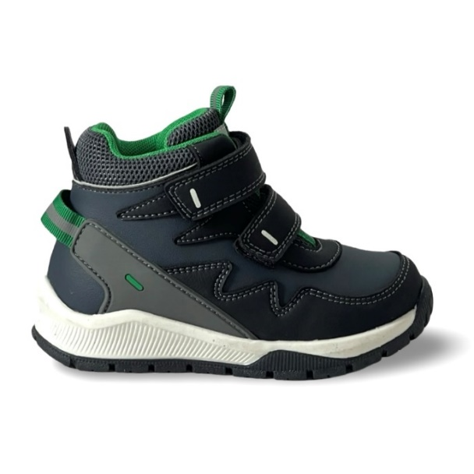

 | SKU: 140995 |  | NAVY | CUERO | $16,990 | 255

 |  | 22-27: 2 2 2 3 3 3 = 15 prs

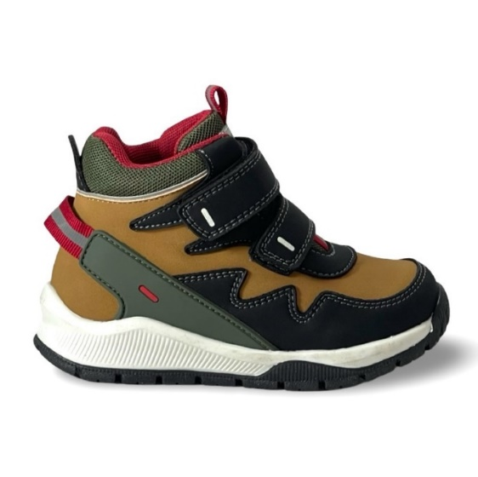

 | SKU: 140995 |  | BROWN | CUERO | $16,990 | 315

 |  | 22-27: 2 2 2 3 3 3 = 15 prs

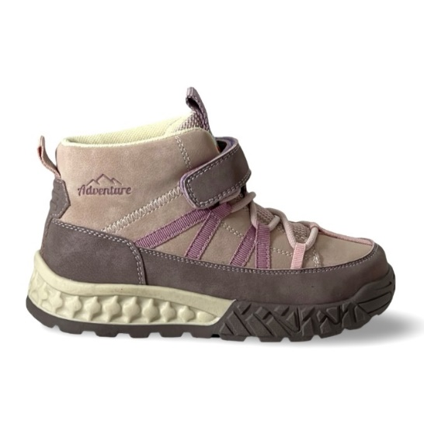

 | SKU: 141006 |  | LILAC | CUERO | $17,990 | 150

 |  | 28-33 : 2 2 2 3 3 3 = 15 prs

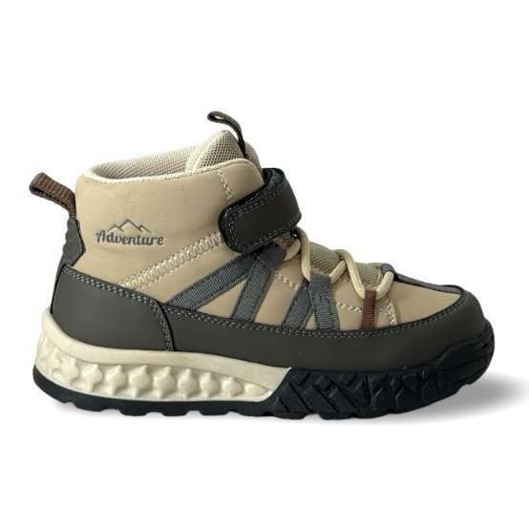

 | SKU: 141006 |  | GREY | CUERO | $17,990 | 345

 |  | 28-33 : 2 2 2 3 3 3 = 15 prs

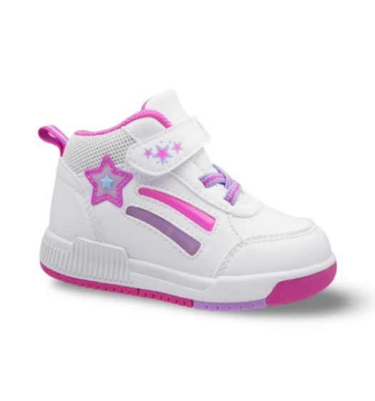

 | SKU: N22881 |  | WHITE | LUCES | $14,990 | 272

 |  | 22-29 : 2 2 2 2 2 2 2 2 = 16 prs

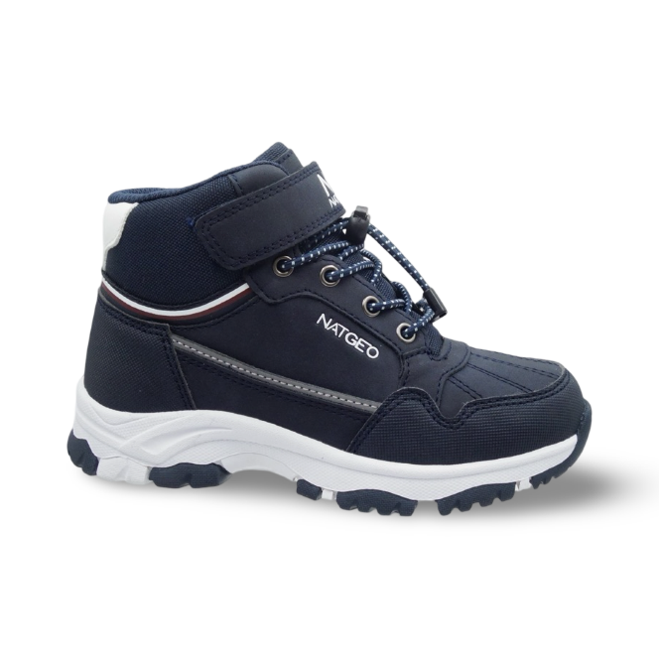

 | K2303 |  | NAVY | WATERPROOF | $19,990 | 464

 |  | 28-35: 2 2 2 2 2 2 2 2 = 16 prs

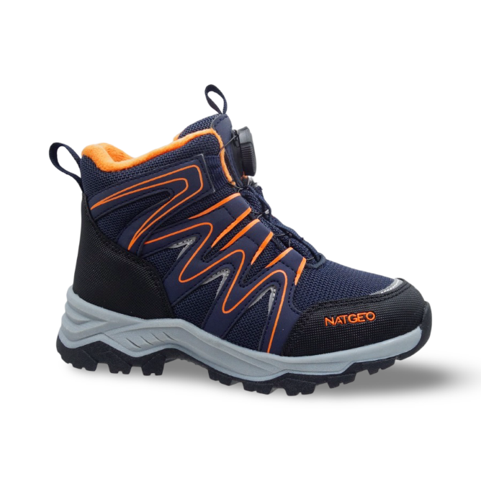

 | K23901 |  | NAVY/ORANGE | WATERPROOF | $19,990 | 336
 | K23901

 |  | 28-35: 2 2 2 2 2 2 2 2 = 16 prs

 | F

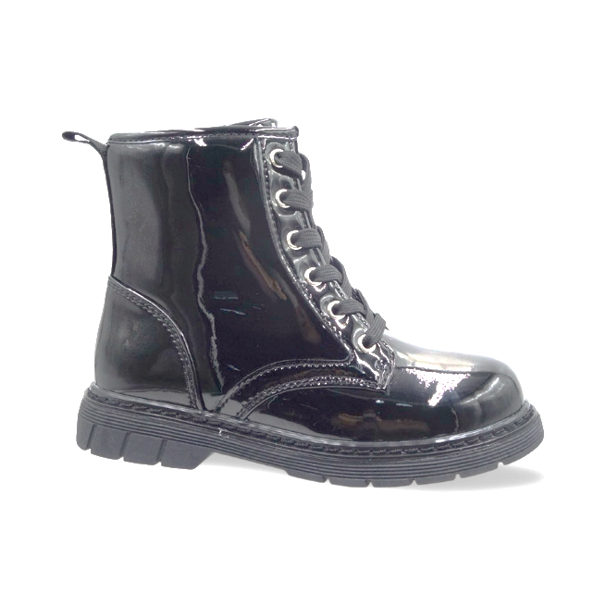

 | SKU: N23993 |  | BLACK | CUERO | $19,990 | 240

 |  | 28-35: 2 2 2 2 2 2 2 2 = 16 prs

 | F

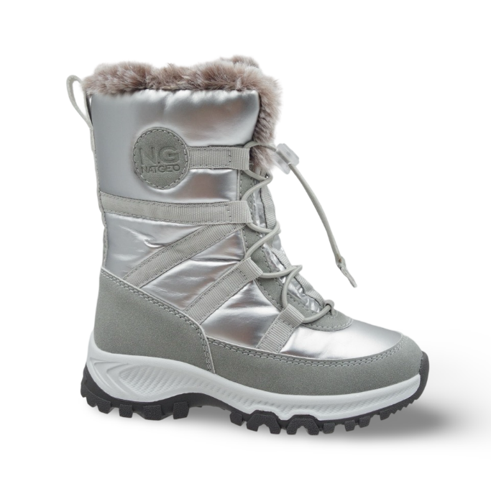

 | N221121 |  | GREY | WATERPROOF | $19,990 | 336

 |  | 28-35: 2 2 2 2 2 2 2 2 = 16 prs

 | F

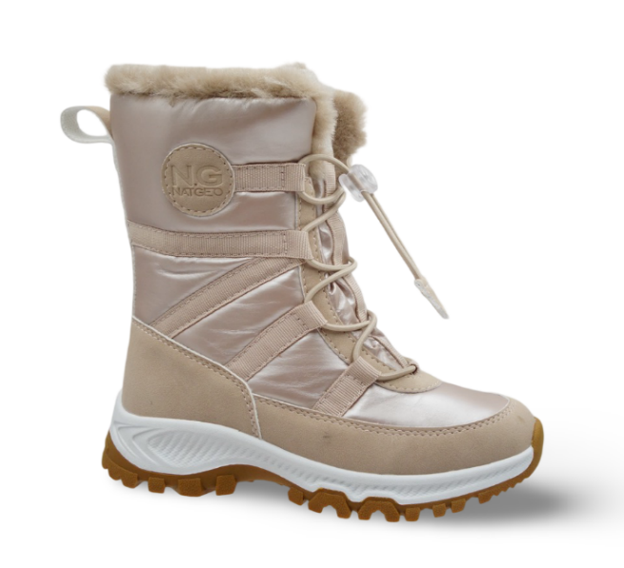

 | N221121 |  | PINK | WATERPROOF | $19,990 | 368

 |  | 28-35: 2 2 2 2 2 2 2 2 = 16 prs

 | F

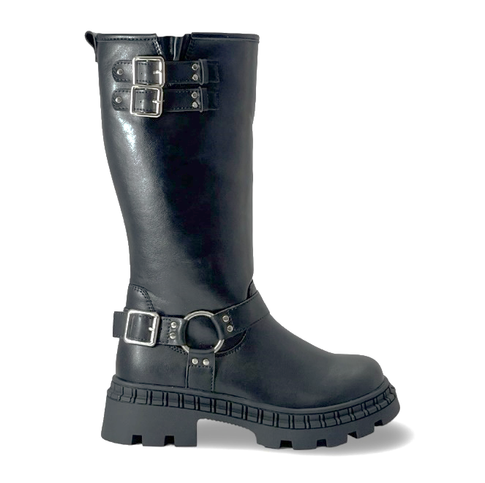

 | SKU: 140089 |  | BLACK | CUERO | $19,990 | 192

 |  | 31-37: 2 2 2 2 2 3 3 = 16 prs

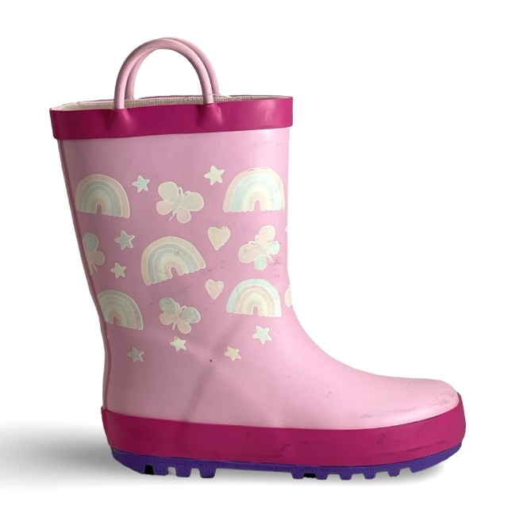

 | AMP-LB305 |  | PINK | CAMBIA COLOR | $9,990 | 144

 |  | 22-30 : 2 2 2 2 2 2 2 2 2 = 18 prs

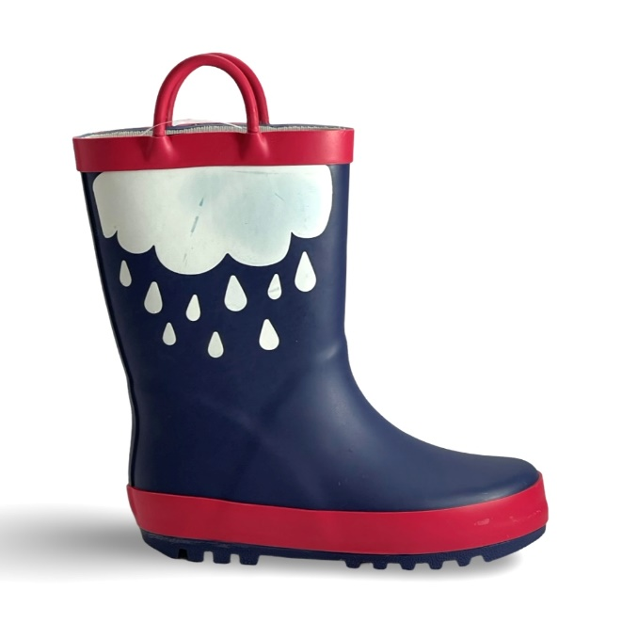

 | AMP-LB304 |  | NAVY | CAMBIA COLOR | $9,990 | 180

 |  | 22-30 : 2 2 2 2 2 2 2 2 2 = 18 prs

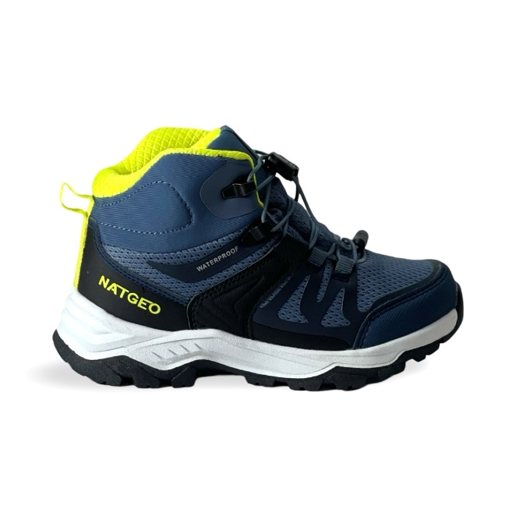

 | HK522722-A0 |  | TEC+PUWATERPROOF | GREY | $19,990 | 158

 |  |  | 28-35=2 2 2 2 2 2 2 2= 16

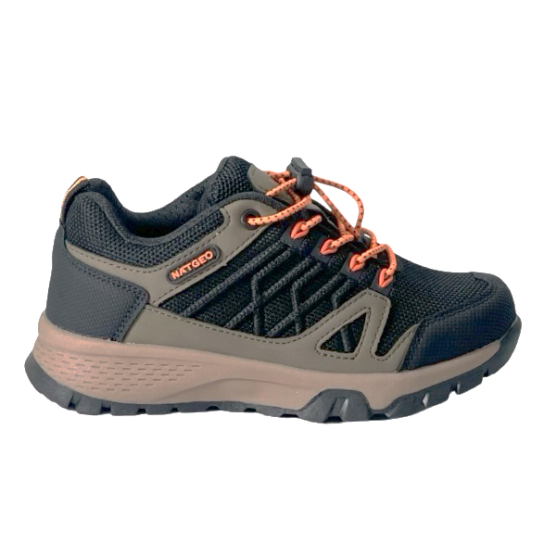

 | HK523330-90 |  | TEC+PU WATERPROOF | BLACK | $19,990 | 190

 |  |  | 28-35=2 2 2 2 2 2 2 2= 16

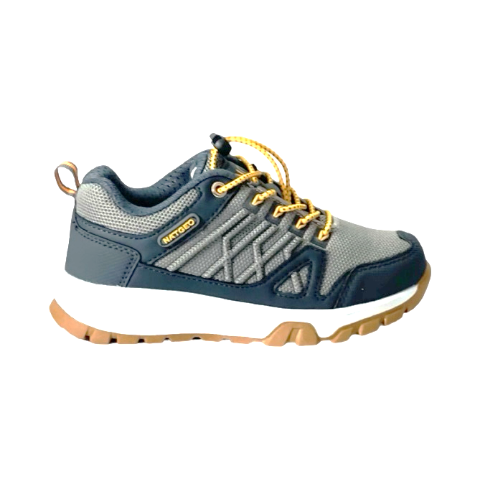

 | HK523330-A0 |  | TEC+PU WATERPROOF | GREY | $19,990 | 222

 |  |  | 28-35=2 2 2 2 2 2 2 2= 16

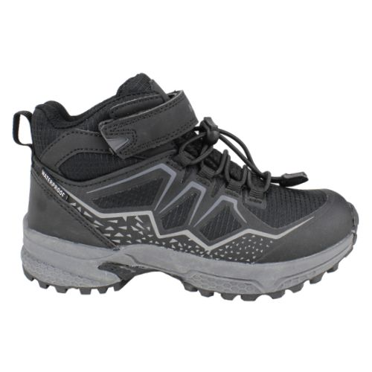

 | HK52279-90 | WATER PROOF | BLACK
 |  |  |  |  | $19,990

 |  |  | 28-35=2 2 2 2 2 2 2 2 2 =18

